Sheet1
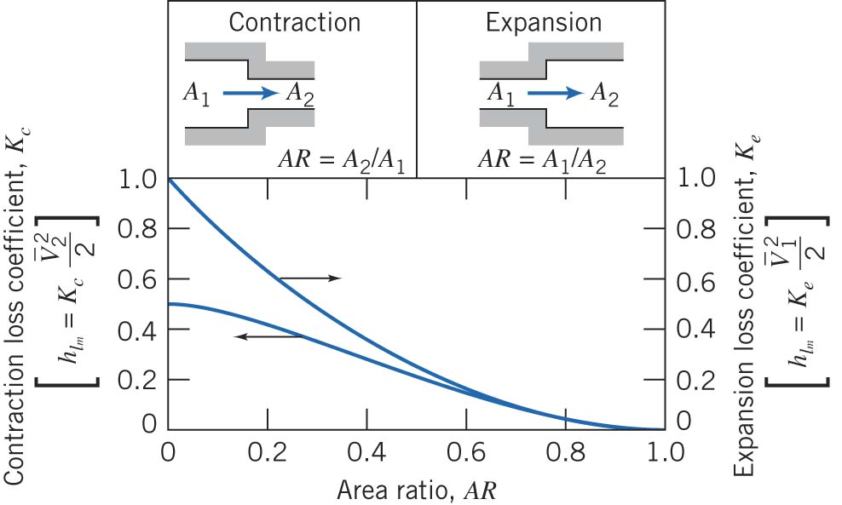

 |  | Upstream (wrought iron) | Downstream (galvanized iron)

 | density | 1595 | 1595 | kg/m3
 | viscosity | 0.001 | 0.001 | Pa*s

 | Internal diameter | 2" SCHEDULE 160 | 1" SCHEDULE 160
 |  | 4.286 | 2.070 | cm
 |  | 42.86 | 20.7 | mm
 |  | 0.04286 | 0.0207 | m
 |  |  |  |  | Area Ratio (AR)
 | A | 0.001442760404 | 0.00033653525903 | m2 | 0.233
 |  |  |  |  | K-contraction
 |  |  |  |  | 0.4

Roughness | e | 0.046 | 0.15 | mm | A1/A2
Relative Roughness | e/D | 0.0011 | 0.0072 |  | 4.287

 | Length | 1.5 | 3 | m

Given | DeltaP | 172,000 | Pa
 | DeltaP/density | 1.08E+02

Guess | Re | 100,000,000 | 100,000,000

 | f | 0.0200 | 0.0342

Solve | V1 | 1.361 |  | m/s | using Bernoulli equation
 | V2 |  | 5.84 | m/s | using continuity equation

Calculate | Re | 93,047 | 192,657

Calculate | f | 0.0224 | 0.0345 |  | using Haaland equation

Solve | V1 | 1.355 |  | m/s | using Bernoulli equation
 | V2 |  | 5.81 | m/s | using continuity equation

Calculate | Re | 92,640 | 191,815

Calculate | f | 0.0224 | 0.0345 |  | using Haaland equation

Solve | V1 | 1.355 |  | m/s | using Bernoulli equation
 | V2 |  | 5.81 | m/s | using continuity equation

Calculate | Re | 92,638 | 191,811

Calculate | f | 0.0224 | 0.0345 |  | using Haaland equation
 |  |  |  |  | CONVERGED!!!!!
Calculate | Q | 0.00196 | 0.00196 | m^3/s

